Sheet1
No | Type | Part Number | Title | Subtitle | Application Summary | Vehicle W/o Engine | Vehicle W/ Engine | OEM | Picture | Url
1 | Windshield Wiper Motor | 40-1000 | Windshield Wiper Motor - 40-1000 | CARDONE Reman | Chevrolet Camaro 1998-93; Pontiac Firebird 1998-93 | Chevrolet Camaro 1993-1998 Pontiac Firebird 1993-1998 | Chevrolet Camaro 1993-1995 3.4L V6 Chevrolet Camaro 1993-1998 5.7L V8 Chevrolet Camaro 1996-1998 3.8L V6 Pontiac Firebird 1993-1995 3.4L V6 Pontiac Firebird 1993-1998 5.7L V8 Pontiac Firebird 1996-1998 3.8L V6 | 22154913;22110039 | 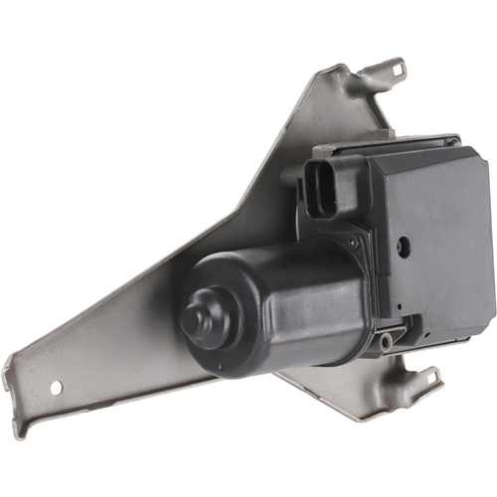 | https://www.cardone.com/product/windshield-wiper-motor-40-1000
2 | Windshield Wiper Motor | 40-10000 | Windshield Wiper Motor - 40-10000 | CARDONE Reman | Hummer H3 2010-06 |  |  | 15943193 | 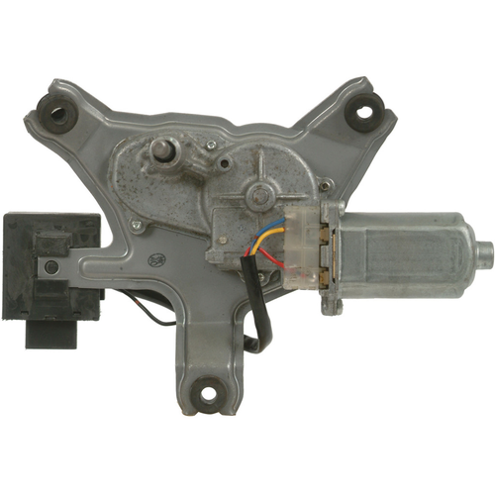 | https://www.cardone.com/product/windshield-wiper-motor-40-10000
3 | Windshield Wiper Motor | 40-10005 | Windshield Wiper Motor - 40-10005 | CARDONE Reman | Cadillac CTS 2015-08, Escalade 2022-15, Escalade ESV 2022-15; Chevrolet Silverado 1500 2010-07, Silverado 2500 HD 2010-07, Silverado 3500 HD 2010-07, Suburban 2022-15, Suburban 3500 HD 2018-16, Tahoe 2022-15; GMC Sierra 1500 2010-08, Sierra 2500 HD 2010-08, Sierra 3500 HD 2010-08, Yukon 2022-15, Yukon XL 2022-15 | Cadillac CTS 2008-2015 Cadillac Escalade 2015-2022 Cadillac Escalade ESV 2015-2022 Chevrolet Silverado 1500 2007-2010 Chevrolet Silverado 2500 HD 2007-2010 Chevrolet Silverado 3500 HD 2007-2010 Chevrolet Suburban 2015-2022 Chevrolet Suburban 3500 HD 2016-2018 Chevrolet Tahoe 2015-2022 GMC Sierra 1500 2008-2010 GMC Sierra 2500 HD 2008-2010 GMC Sierra 3500 HD 2008-2010 GMC Yukon 2015-2022 GMC Yukon XL 2015-2022 | Cadillac CTS 2008-2014 3.6L V6 Cadillac CTS 2009-2015 6.2L V8 Cadillac CTS 2010-2013 3L V6 Cadillac CTS 2014 2L L4 Cadillac Escalade 2015-2022 6.2L V8 Cadillac Escalade ESV 2015-2022 6.2L V8 Chevrolet Silverado 1500 2007-2010 4.8L V8 Chevrolet Silverado 1500 2007-2010 5.3L V8 Chevrolet Silverado 1500 2007-2010 6L V8 Chevrolet Silverado 1500 2008-2010 4.3L V6 Chevrolet Silverado 1500 2009-2010 6.2L V8 Chevrolet Silverado 2500 HD 2007-2010 6L V8 Chevrolet Silverado 3500 HD 2007-2010 6L V8 Chevrolet Suburban 2015-2022 5.3L V8 Chevrolet Suburban 2016-2018 6L V8 Chevrolet Suburban 2019-2022 6.2L V8 Chevrolet Suburban 3500 HD 2016-2018 6L V8 Chevrolet Tahoe 2015-2022 5.3L V8 Chevrolet Tahoe 2018-2022 6.2L V8 GMC Sierra 1500 2008-2010 4.8L V8 GMC Sierra 1500 2008-2010 6.2L V8 GMC Sierra 1500 2008-2010 6L V8 GMC Sierra 1500 2010 5.3L V8 GMC Sierra 2500 HD 2008-2010 6L V8 GMC Sierra 3500 HD 2008-2010 6L V8 GMC Yukon 2015-2022 5.3L V8 GMC Yukon 2015-2022 6.2L V8 GMC Yukon XL 2015-2022 5.3L V8 GMC Yukon XL 2015-2022 6.2L V8 | 76505SZTG01 | 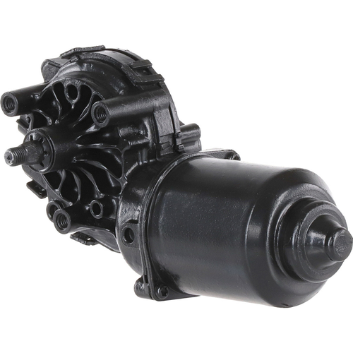 | https://www.cardone.com/product/windshield-wiper-motor-40-10005
4 | Windshield Wiper Motor | 40-10006 | Windshield Wiper Motor - 40-10006 | CARDONE Reman | Buick Enclave 2017-08 | Buick Enclave 2008-2017 | Buick Enclave 2008-2017 3.6L V6 | 25864153;25795300 | 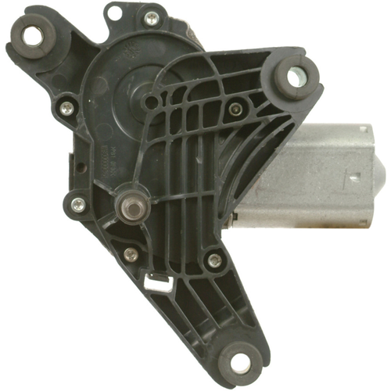 | https://www.cardone.com/product/windshield-wiper-motor-40-10006
5 | Windshield Wiper Motor | 40-10007 | Windshield Wiper Motor - 40-10007 | CARDONE Reman | Chevrolet Malibu 2007-05 | Chevrolet Malibu 2005-2007 | Chevrolet Malibu 2005-2007 2.2L L4 Chevrolet Malibu 2005-2007 3.5L V6 Chevrolet Malibu 2006-2007 3.9L V6 | 15252854 | 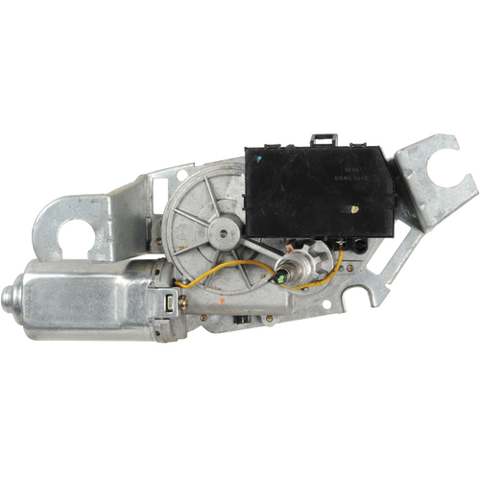 | https://www.cardone.com/product/windshield-wiper-motor-40-10007
6 | Windshield Wiper Motor | 40-10009 | Windshield Wiper Motor - 40-10009 | CARDONE Reman | Chevrolet Suburban 1500 2000, Suburban 2500 2000; GMC Yukon XL 1500 2000, Yukon XL 2500 2000 | Chevrolet Suburban 1500 2000 Chevrolet Suburban 2500 2000 GMC Yukon XL 1500 2000 GMC Yukon XL 2500 2000 | Chevrolet Suburban 1500 2000 5.3L V8 Chevrolet Suburban 1500 2000 5.7L V8 Chevrolet Suburban 2500 2000 6L V8 GMC Yukon XL 1500 2000 5.3L V8 GMC Yukon XL 2500 2000 6L V8 | 12463052 | 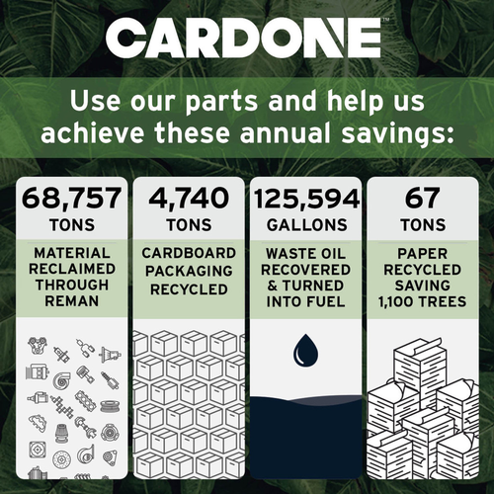 | https://www.cardone.com/product/windshield-wiper-motor-40-10009
7 | Windshield Wiper Motor | 40-1001 | Windshield Wiper Motor - 40-1001 | CARDONE Reman | Chevrolet Prizm 2002-98; Geo Prizm 1997-93; Toyota Corolla 2002-98 | Chevrolet Prizm 1998-2002 Geo Prizm 1993-1997 Toyota Corolla 1998-2002 | Chevrolet Prizm 1998-2002 1.8L L4 Geo Prizm 1993-1997 1.6L L4 Toyota Corolla 1998-2002 1.8L L4 | 8511002051 | 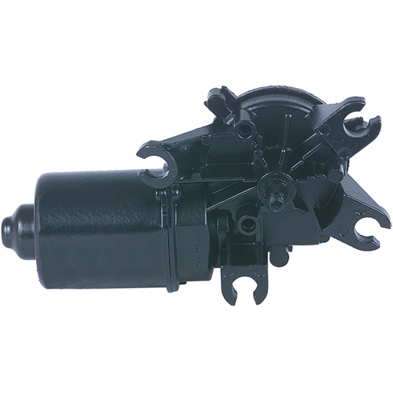 | https://www.cardone.com/product/windshield-wiper-motor-40-1001
8 | Windshield Wiper Motor | 40-10013 | Windshield Wiper Motor - 40-10013 | CARDONE Reman | Chevrolet Captiva Sport 2015-08; Saturn Vue 2010-08 | Chevrolet Captiva Sport 2008-2015 Saturn Vue 2008-2010 | Chevrolet Captiva Sport 2008-2010 3.6L V6 Chevrolet Captiva Sport 2010-2015 2.4L L4 Chevrolet Captiva Sport 2011-2015 3L V6 Saturn Vue 2008-2009 2.4L L4 Saturn Vue 2008-2010 3.5L V6 Saturn Vue 2008-2010 3.6L V6 | 20829042;96673024;96673047 | 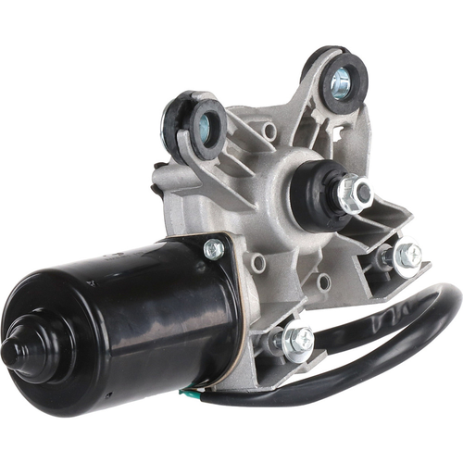 | https://www.cardone.com/product/windshield-wiper-motor-40-10013
9 | Windshield Wiper Motor | 40-10014 | Windshield Wiper Motor - 40-10014 | CARDONE Reman | Chevrolet Captiva Sport 2010-08; Saturn Vue 2010-08 | Chevrolet Captiva Sport 2008-2010 Saturn Vue 2008-2010 | Chevrolet Captiva Sport 2008-2010 3.6L V6 Chevrolet Captiva Sport 2010 2.4L L4 Saturn Vue 2008-2009 2.4L L4 Saturn Vue 2008-2010 3.5L V6 Saturn Vue 2008-2010 3.6L V6 | 25963804;96673001 | 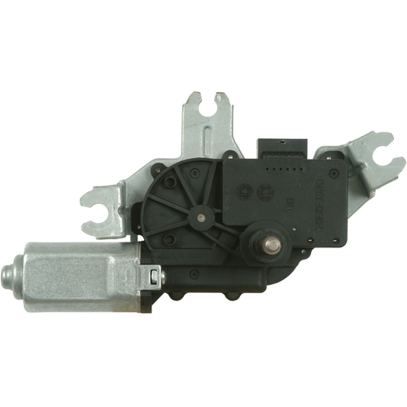 | https://www.cardone.com/product/windshield-wiper-motor-40-10014
10 | Windshield Wiper Motor | 40-10015 | Windshield Wiper Motor - 40-10015 | CARDONE Reman | Geo Metro 1994-89; Pontiac Firefly 1994 1991-89 | Geo Metro 1989-1994 Pontiac Firefly 1989-1994 | Geo Metro 1989-1994 1L L3 Geo Metro 1992-1994 1.3L L4 Pontiac Firefly 1989-1994 1L L3 | 96061630 | 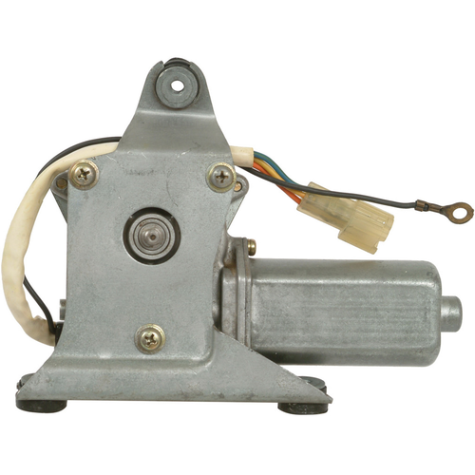 | https://www.cardone.com/product/windshield-wiper-motor-40-10015

